Sheet1
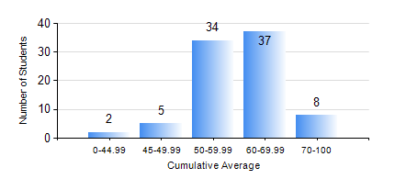
 |  |  | KWAME NKRUMAH UNIVERSITY OF SCIENCE AND TECHNOLOGY, KUMASI Department of Telecommunication Engineering

 |  |  | BSC. TELECOMMUNICATION ENG.

 |  |  | COMPREHENSIVE RECORD OF EXAMINATION RESULTS

 |  |  | RESULTS OF YEAR 3 FIRST SEMESTER, 2018/2019 ACADEMIC YEAR

 | Sn | Course Code |  | Course Name | Credit Hours | Min. Mark | Max. Mark | Avg. Mark | Std. Dev. | No. Passed | No. Trailed | No. (Df) | No. (I) | No. (I*) | No. Tagged(I,I*,Df) | Total
 | 0. |  |  |  |  |  |  | 0 | 0 | 0 | 0 | 0 | 0 | 0 | 0 | 4
 | 1. | COE 381 |  | MICROPROCESSORS | 3 | 34 | 93 | 59 | 12.33 | 81 | 1 | 0 | 0 | 0 | 0 | 82
 | 2. | EE 371 |  | LINEAR ELECTRONIC CIRCUITS | 3 | 30 | 90 | 54 | 10.7 | 74 | 8 | 0 | 0 | 0 | 0 | 82
 | 3. | MATH 351 |  | NUMERICAL ANALYSIS | 2 | 37 | 85 | 61 | 10.07 | 81 | 1 | 0 | 0 | 0 | 0 | 82
 | 4. | MATH 353 |  | PROBABILTY AND STATISTICS | 2 | 31 | 86 | 66 | 11.17 | 81 | 1 | 0 | 0 | 0 | 0 | 82
 | 5. | TE 361 |  | INFORMATION THEORY | 2 | 22 | 74 | 49 | 12.25 | 69 | 13 | 0 | 0 | 0 | 0 | 82
 | 6. | TE 381 |  | OPTICAL COMMUNICATIONS | 2 | 26 | 85 | 54 | 14.28 | 73 | 9 | 0 | 0 | 0 | 0 | 82
 | 7. | TE 385 |  | SIGNALS AND SYSTEMS | 2 | 21 | 81 | 53 | 12.98 | 75 | 7 | 0 | 0 | 0 | 0 | 82
 | 8. | TE 391 |  | TELECOMMUNICATIONS LAB III | 2 | 60 | 88 | 69 | 6.2 | 82 | 0 | 0 | 0 | 0 | 0 | 82

